erd
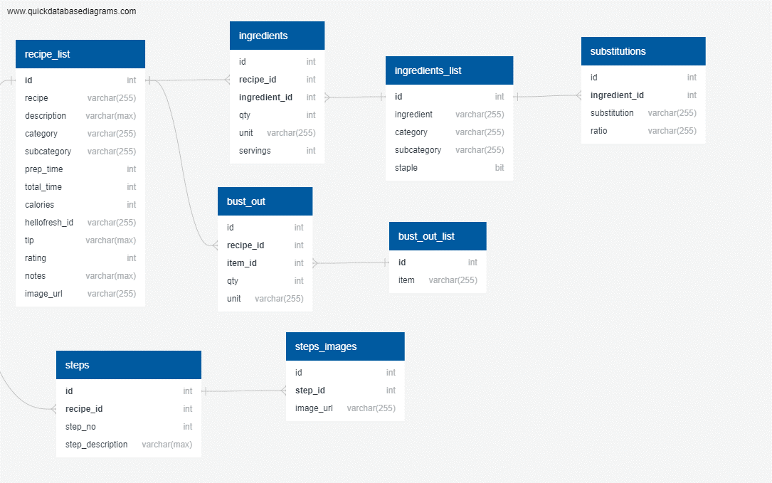
recipe_list
-
id int
recipe varchar(255)
description varchar(max)
category varchar(255)
subcategory varchar(255)
prep_time int
total_time int
calories int
hellofresh_id varchar(255)
tip varchar(max)
rating int
notes varchar(max)
image_url varchar(255)

bust_out
-
id int
recipe_id int FK >- recipe_list.id
item_id int FK >- bust_out_list.id
qty int
unit varchar(255)

bust_out_list
-
id int
item varchar(255)

ingredients
-
id int
recipe_id int FK >- recipe_list.id
ingredient_id int FK >- ingredients_list.id
qty int
unit varchar(255)
servings int

ingredients_list
-
id int
ingredient varchar(255)
category varchar(255)
subcategory varchar(255)
staple bit

steps
-
id int
recipe_id int FK >- recipe_list.id
step_no int
step_description varchar(max)

steps_images
-
id int
step_id int FK >- steps.id
image_url varchar(255)

substitutions
-
id int
ingredient_id int FK >- ingredients_list.id
substitution_id int FK >- ingredients_list.id
ratio varchar(255)

